Sheet1
Category | Item number | Description | Catalogue number | Vendor | Quantity | Price Per Item (USD, ex. VAT) | Line Price (USD, ex. VAT) | Order Link | Item Image
Fibre | 1 | 70 µm x 70 µm, NA=0.22, L=2m, FC/PC connector, square-core fibre cable | 05806-1 Rev. A | CeramOptec GmbH | 2 | 230.4 | 460.8 | https://www.ceramoptec.com/home.html | Not Available
Fibre | 2 | 40 mm focal length, FC/PC connector, achromatic fibre collimator | C40FC-A | Thorlabs | 1 | 926.6 | 926.6 | https://www.thorlabs.com/ | 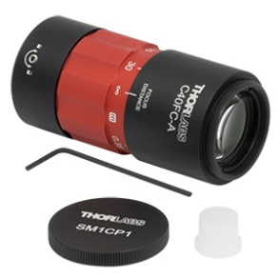
Light | 3 | 561 nm, 100 mW laser | RLTMLL-561-100-3 | Roithner LaserTechnik | 1 | 4656 | 4656 | http://www.roithner-laser.com/ | Not Available
Light | 4 | 10 KHz, analog modulation unit | RLTMXL ANALOG 10KHZ | Roithner LaserTechnik | 1 | 789.3 | 789.3 | http://www.roithner-laser.com/ | Not Available
Light | 5 | 350 mW, 405nm diode laser with cooling option | PD-01254-E | Lasertack GmbH | 1 | 376.4 | 376.4 | https://www.lasertack.com/ | 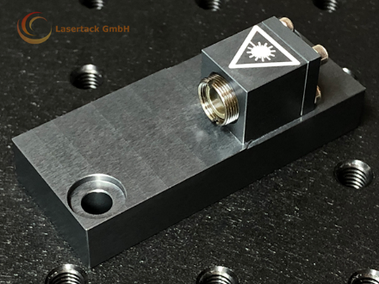
Light | 6 | 55 mW, 488nm diode laser with cooling option | PD-01339-E | Lasertack GmbH | 1 | 431.1 | 431.1 | https://www.lasertack.com/
Light | 7 | 700 mW, 635nm diode laser with cooling option | PD-01229-E | Lasertack GmbH | 1 | 398.5 | 398.5 | https://www.lasertack.com/
Light | 8 | 20 mW, 850 nm compact diode laser module with shutter | LDM850 | Thorlabs | 1 | 736.1 | 736.1 | https://www.thorlabs.com/ | 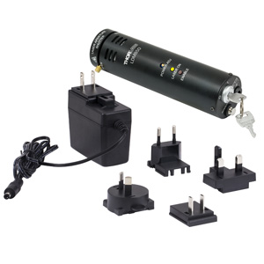
Light | 9 | 740 mW, 4900 K, 1225 mA mounted LED | MNWHL4 | Thorlabs | 1 | 163.4 | 163.4 | https://www.thorlabs.com/ | 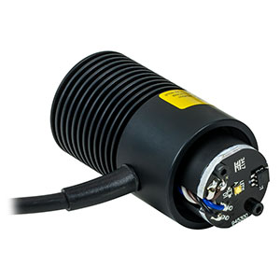
Light analysis | 10 | 320-1100 nm, 2D lateral effect position sensor | PDP90A | Thorlabs | 1 | 431.4 | 431.4 | https://www.thorlabs.com/ | 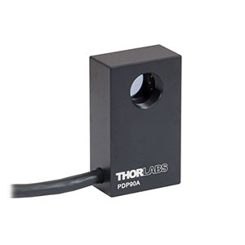
Light analysis | 11 | 700-1400 nm, IR detector card | VRC5 | Thorlabs | 1 | 140.1 | 140.1 | https://www.thorlabs.com/ | 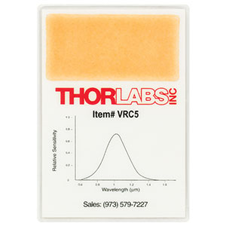
Light analysis | 12 | Digital LCD, compact power and energy meter console | PM100D | Thorlabs | 1 | 1171 | 1171 | https://www.thorlabs.com/ | 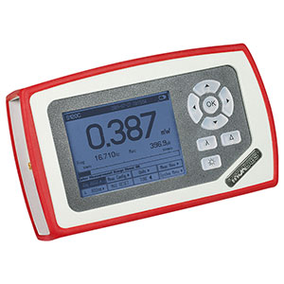
Light analysis | 13 | 400-1100 nm, 500 mW, Standard Photodiode Power Sensor | S121C | Thorlabs | 1 | 362.3 | 362.3 | https://www.thorlabs.com/ | 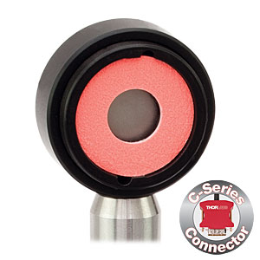
Light analysis | 14 | Prime BSI Express, sCMOS camera | O1_PRIME_BSI_EXP | Teledyne Photometrics | 1 | 11645 | 11645 | https://www.photometrics.com/ | 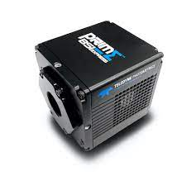
Motion control | 15 | Enhanced blocking force and integrated sensor, 51 mm travel, positioner | SLC-1780-D-S | Smaract | 3 | 2258 | 6774 | https://www.smaract.com/index-en | 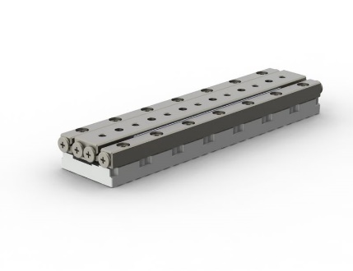
Motion control | 16 | MSC2 sensor module | MCS2-S-0001 | Smaract | 1 | 646.6 | 646.6 | https://www.smaract.com/index-en | Not Available
Motion control | 17 | MSC2 control system | MCS2-C-0002 | Smaract | 1 | 2073.8 | 2073.8 | https://www.smaract.com/index-en
Motion control | 18 | K-Cube PSD auto aligner | KPA101 | Thorlabs | 1 | 877.3 | 877.3 | https://www.thorlabs.com/ | 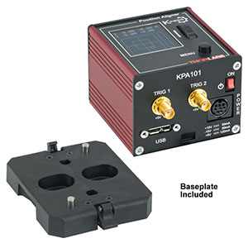
Optics | 19 | Apochromatic, 100x magnification, 1.49 numerical aperture, TIRF objective | MRD01991 | Nikon | 1 | 8487.2 | 8487.2 | https://www.nikon.com/ | 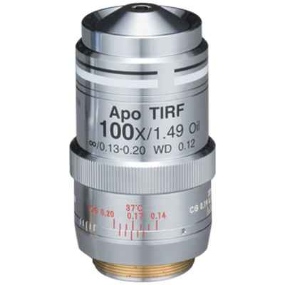
Optics | 20 | 405/488/561/635/800-1050 nm, BrightLine® multiphoton super resolution dichroic splitter | DI01-R405/488/561/635/800-T1-25X36 | Semrock | 1 | 1039 | 1039 | https://www.semrock.com/ | 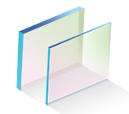
Optics | 21 | 390/482/564/640 nm, BrightLine® quad-band bandpass filter | FF01-390/482/563/640-25 | Semrock | 1 | 743.9 | 743.9 | https://www.semrock.com/
Optics | 22 | 446/523/600/677 nm, BrightLine® quad-band bandpass filter | FF01-446/523/600/677-25 | Semrock | 1 | 691.3 | 691.3 | https://www.semrock.com/
Optics | 23 | 525/30 nm, BrightLine® single-band bandpass filter | FF01-525/30-25 | Semrock | 1 | 431.6 | 431.6 | https://www.semrock.com/ | 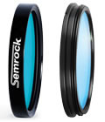
Optics | 24 | 600/37 nm, BrightLine® single-band bandpass filter | FF01-600/37-25 | Semrock | 1 | 401.1 | 401.1 | https://www.semrock.com/
Optics | 25 | 676/29 nm, BrightLine® single-band bandpass filter | FF01-676/29-25 | Semrock | 1 | 431.6 | 431.6 | https://www.semrock.com/
Optics | 26 | 700 nm, BrightLine® multiphoton short pass dichroic beam splitter | FF700-SDI01-25X36 | Semrock | 1 | 743.9 | 743.9 | https://www.semrock.com/
Optics | 27 | 425 nm, long pass dichroic mirror | DMLP425 | Thorlabs | 1 | 137.2 | 137.2 | https://www.thorlabs.com/ | 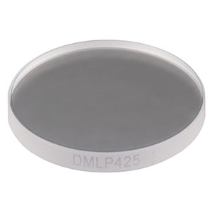
Optics | 28 | 505 nm, long pass dichroic mirror | DMLP505 | Thorlabs | 1 | 137.2 | 137.2 | https://www.thorlabs.com/ | 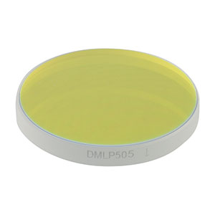
Optics | 29 | 605 nm, long pass dichroic mirror | DMLP605 | Thorlabs | 1 | 137.2 | 137.2 | https://www.thorlabs.com/ | 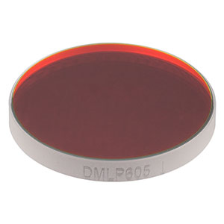
Optics | 30 | 805 nm, long pass dichroic mirror | DMLP805 | Thorlabs | 1 | 211.8 | 211.8 | https://www.thorlabs.com/ | 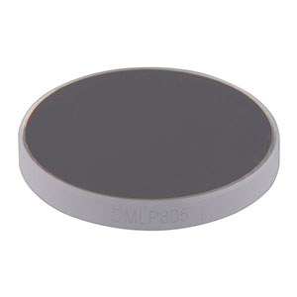
Optics | 31 | 700 nm, premium long pass filter | FELH0700 | Thorlabs | 1 | 134.5 | 134.5 | https://www.thorlabs.com/ | 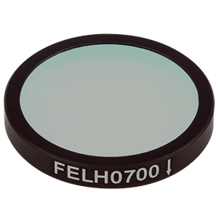
Optics | 32 | 400-750 nm, broadband dielectric mirror | BB1-E02 | Thorlabs | 10 | 79.5 | 795 | https://www.thorlabs.com/ | 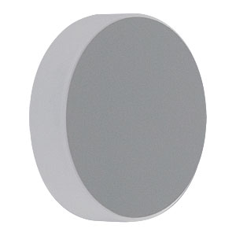
Optics | 33 | 750-1100 nm, broadband dielectric mirror | BB1-E03 | Thorlabs | 1 | 79.5 | 79.5 | https://www.thorlabs.com/ | 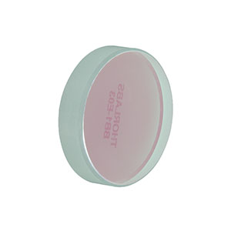
Optics | 34 | 125 mm focal length, achromatic doublet | AC254-125-A-ML | Thorlabs | 1 | 79.5 | 79.5 | https://www.thorlabs.com/ | 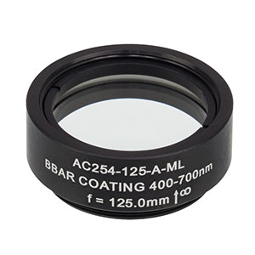
Optics | 35 | 200 mm focal length, tube lens | TTL200-A | Thorlabs | 1 | 510.4 | 510.4 | https://www.thorlabs.com/ | 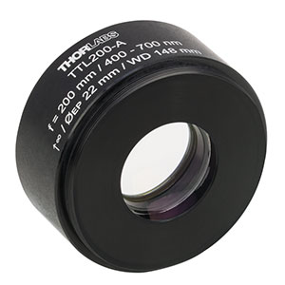
Optics | 36 | 11 mm focal length, 0.25 numerical aperture, aspheric lens | C220TMD-A | Thorlabs | 1 | 78.86 | 78.86 | https://www.thorlabs.com/ | 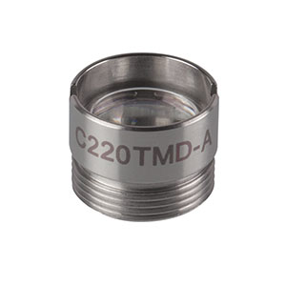
Optics | 37 | 1.0 optical density, neutral density filter | NE10B-A | Thorlabs | 1 | 62 | 62 | https://www.thorlabs.com/ | 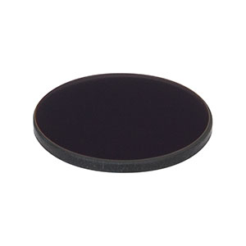
Optics | 38 | 700-1100 nm, 30 mm, non-polarising beam splitter | CCM1-BS014/M | Thorlabs | 1 | 315.8 | 315.8 | https://www.thorlabs.com/ | 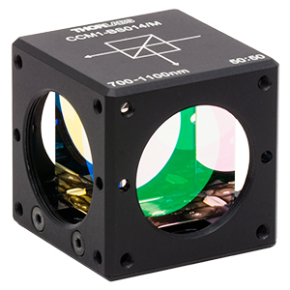
Optics | 39 | Variable line grating test target | R1L3S6P | Thorlabs | 1 | 510.4 | 510.4 | https://www.thorlabs.com/ | 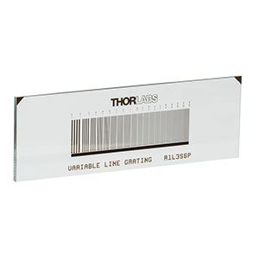
Optics | 40 | Pack of 1000, 26x76 mm, #1.5 Menzel Glaser glass coverslips | MENZBC026076AC40 | VWR | 1 | 92.5 | 92.5 | https://www.vwr.com/ | 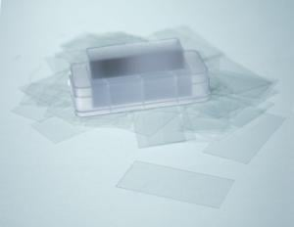
Optoelectronics | 41 | Intel® Core™ i9 processor, NVIDIA® GeForce® GTX 1650 Ti 4GB, 32 GB RAM, 1 TB SSD, laptop | XPS 15 (9500) | Dell | 1 | 3002 | 3002 | https://www.dell.com/en-uk | 
Optoelectronics | 42 | 7-port, USB 3.0 hub | 138-5514 | RS Components | 1 | 104.6 | 104.6 | https://uk.rs-online.com/web/ | 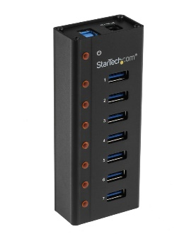
Optoelectronics | 43 | Sony PlayStation DualShock 4 controller | CS30605 | Onecall | 1 | 61.6 | 61.6 | https://onecall.farnell.com/ | 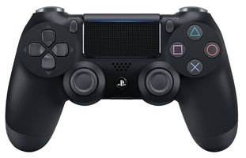
Optoelectronics | 44 | 4-output, digital analog converter device | 1002_0B | Active Robots Ltd. | 1 | 113.2 | 113.2 | https://www.active-robots.com/ | 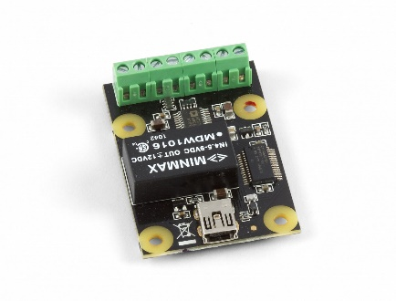
Optoelectronics | 45 | 6-output, control hub | HUB0000_0 | Active Robots Ltd. | 1 | 39.9 | 39.9 | https://www.active-robots.com/ | 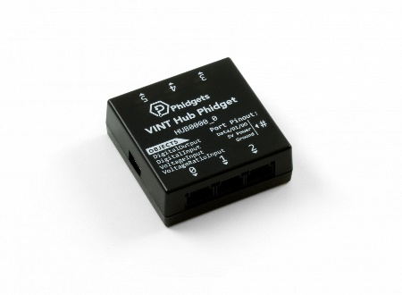
Optoelectronics | 46 | 5 V, constant DC power source device | PSU2000_0 | Active Robots Ltd. | 1 | 16 | 16 | https://www.active-robots.com/ | 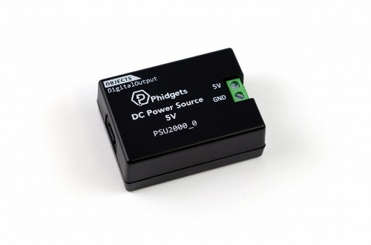
Optoelectronics | 47 | 1.5 V-5 V, variable DC power source device | PSU2001_0 | Active Robots Ltd. | 1 | 19.2 | 19.2 | https://www.active-robots.com/ | 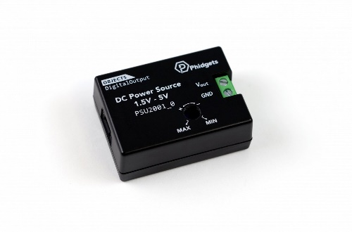
Optoelectronics | 48 | 60 cm, mini-USB cable | 3036_0 | Active Robots Ltd. | 2 | 5.6 | 11.2 | https://www.active-robots.com/ | 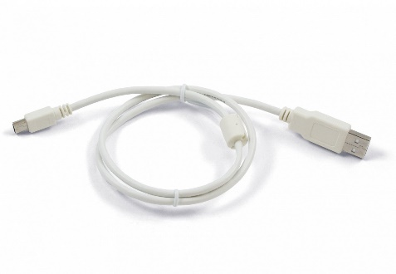
Optoelectronics | 49 | 60 cm, converter device cable | 3002_0 | Active Robots Ltd. | 2 | 3.2 | 6.4 | https://www.active-robots.com/ | 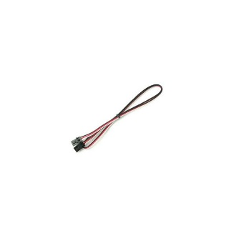
Optoelectronics | 50 | 12 outlet, surge-protected power strip | HDPS12-UK [for UK], HDPS12-US [for US], HDPS12-EU [for EU] | Thorlabs | 1 | 66.2 | 66.2 | https://www.thorlabs.com/ | 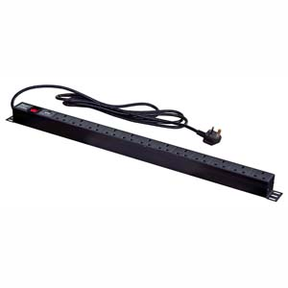
Optoelectronics | 51 | 1 m, black cable trunking | CMS002 | Thorlabs | 1 | 26.6 | 26.6 | https://www.thorlabs.com/ | 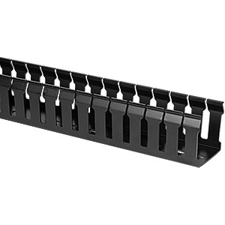
Optoelectronics | 52 | 15 V, 2.4 A power supply unit for one K- or T-cube | KPS101 | Thorlabs | 1 | 36.3 | 36.3 | https://www.thorlabs.com/ | 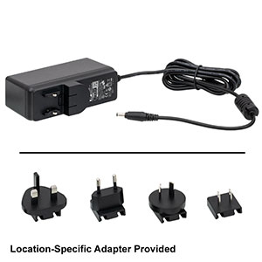
Optoelectronics | 53 | 15 V/5 V, power supply unit for K- or T-cubes | TPS002 | Thorlabs | 1 | 120.1 | 120.1 | https://www.thorlabs.com/ | 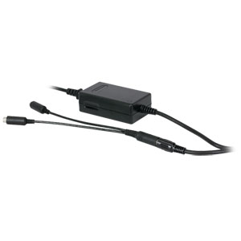
Optoelectronics | 54 | T-cube LED driver | LEDD1B | Thorlabs | 1 | 332.2 | 332.2 | https://www.thorlabs.com/ | 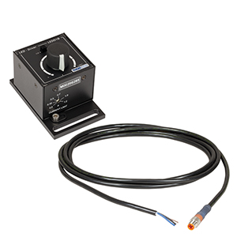
Optoelectronics | 55 | 914 mm, male to male, BNC coaxial cable | 2249-C-36 | Thorlabs | 2 | 18.55 | 37.1 | https://www.thorlabs.com/ | 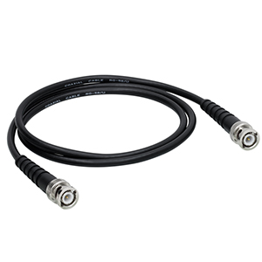
Optoelectronics | 56 | BNC to test clips | T3788 | Thorlabs | 2 | 13.5 | 27 | https://www.thorlabs.com/ | 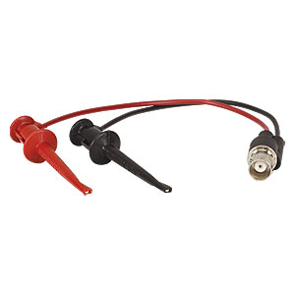
Optoelectronics | 57 | 12 V, 80 W, 100-240 VAC, power supply for laser modules | PD-01341-E | Lasertack GmbH | 3 | 50.3 | 150.9 | https://www.lasertack.com/ | 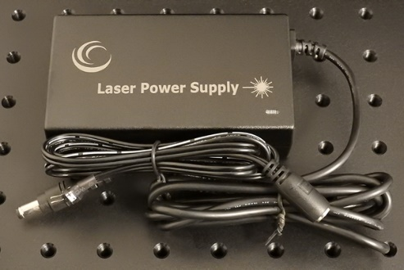
Optoelectronics | 58 | 30 A, 250 V, terminal strip | 782-2857 | RS Components | 1 | 2 | 2 | https://uk.rs-online.com/web/ | 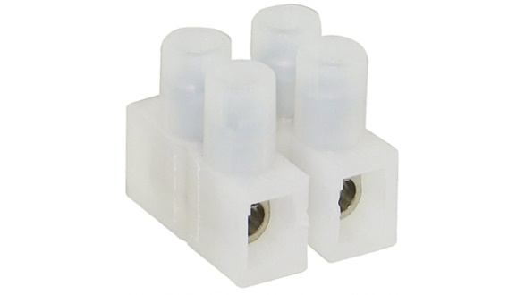
Optoelectronics | 59 | 10 m, unscreened flat ribbon cable | 214-0683 | RS Components | 1 | 38.7 | 38.7 | https://uk.rs-online.com/web/ | 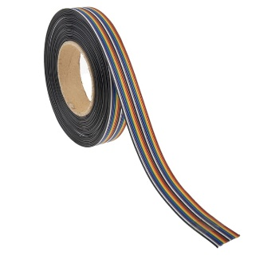
Optoelectronics | 60 | 1 m, IEC power cable | 731-6185 [for UK], 731-6163 [for US], 626-6751 [for EU] | RS Components | 3 | 17.8 | 53.4 | https://uk.rs-online.com/web/ | 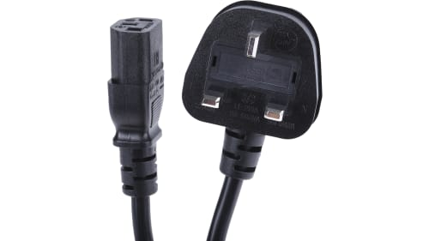
Optoelectronics | 61 | 5 mm, vibration motor | 304-116 | Precision Microdrives Ltd | 5 | 6.5 | 32.5 | https://www.precisionmicrodrives.com/ | 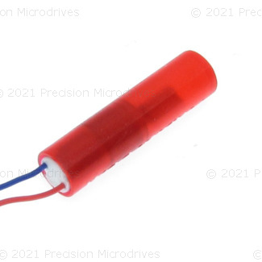
Optoelectronics | 62 | 1.2 m, Micro B to USB A 2.0 cable | 876-2403 | RS Components | 1 | 6.4 | 6.4 | https://uk.rs-online.com/web/ | 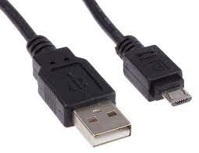
Optomechanics | 63 | 700 mm x 900 mm x 1500 mm, heavy-duty passive frame | PFH90150-8 | Thorlabs | 1 | 2132.6 | 2132.6 | https://www.thorlabs.com/ | 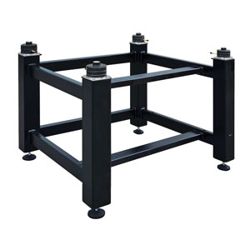
Optomechanics | 64 | 110 mm x 900 mm x 1500 mm, breadboard | B90150B | Thorlabs | 1 | 2475 | 2475 | https://www.thorlabs.com/ | 
Optomechanics | 65 | Passive isolation foot pump | PTA127 | Thorlabs | 1 | 51.2 | 51.2 | https://www.thorlabs.com/ | 
Optomechanics | 66 | Fibre launch system | KT120/M | Thorlabs | 1 | 1216.9 | 1216.9 | https://www.thorlabs.com/ | 
Optomechanics | 67 | Four-position slider bundle | ELL9K | Thorlabs | 1 | 375 | 375 | https://www.thorlabs.com/ | 
Optomechanics | 68 | 225 mm, square construction rail | XE25L225/M | Thorlabs | 4 | 16.7 | 66.8 | https://www.thorlabs.com/ | 
Optomechanics | 69 | 50 mm length, 25 mm diameter, pedestal pillar post | RS2P/M | Thorlabs | 12 | 29.7 | 356.4 | https://www.thorlabs.com/ | 
Optomechanics | 70 | 38 mm length, 25 mm diameter, pedestal pillar post | RS1.5P/M | Thorlabs | 4 | 27 | 108 | https://www.thorlabs.com/ | 
Optomechanics | 71 | 2 in length, 1 in diameter, pedestal pillar post | RS2P | Thorlabs | 1 | 29.7 | 29.7 | https://www.thorlabs.com/ | 
Optomechanics | 72 | Pack of 5, 50 mm length, 12.7 mm diameter, optical post | TR50/M-P5 | Thorlabs | 2 | 24.7 | 49.4 | https://www.thorlabs.com/ | 
Optomechanics | 73 | Pack of 5, 30 mm length, 12.7 mm diameter, optical post | TR30/M-P5 | Thorlabs | 1 | 22.6 | 22.6 | https://www.thorlabs.com/ | 
Optomechanics | 74 | Pack of 5, 50 mm length, 12.7 mm diameter, post holder | PH50/M-P5 | Thorlabs | 3 | 40.8 | 122.4 | https://www.thorlabs.com/ | 
Optomechanics | 75 | 1.24 in slot length, clamping fork | CF125 | Thorlabs | 1 | 9.5 | 9.5 | https://www.thorlabs.com/ | 
Optomechanics | 76 | Pack of 4, 0.5 in length, 6 mm diameter, cage assembly rod | ER05-P4 | Thorlabs | 9 | 20.3 | 182.7 | https://www.thorlabs.com/ | 
Optomechanics | 77 | 0.25 in length, 6 mm diameter, cage assembly rod | ER025 | Thorlabs | 8 | 5.3 | 42.4 | https://www.thorlabs.com/ | 
Optomechanics | 78 | Pack of 4, 6 mm diameter, rod adaptor | ERSCB-P4 | Thorlabs | 2 | 61.7 | 123.4 | https://www.thorlabs.com/ | 
Optomechanics | 79 | Kinematic mirror mount | KM100CP/M | Thorlabs | 4 | 78.4 | 313.6 | https://www.thorlabs.com/ | 
Optomechanics | 80 | 30 mm, right-angle kinematic mirror mount | KCB1C/M | Thorlabs | 3 | 151.3 | 453.9 | https://www.thorlabs.com/ | 
Optomechanics | 81 | 30 mm, cage cube with dichroic filter mount | CM1-DCH/M | Thorlabs | 3 | 180.1 | 540.3 | https://www.thorlabs.com/ | 
Optomechanics | 82 | 30 mm, 0.5 in thickness, cage plate | CP33T/M | Thorlabs | 3 | 23.9 | 71.7 | https://www.thorlabs.com/ | 
Optomechanics | 83 | Compact kinematic mirror mount | KMS/M | Thorlabs | 8 | 41.1 | 328.8 | https://www.thorlabs.com/ | 
Optomechanics | 84 | 1 in diameter, 2.5-6.1 mm thickness, mirror holder | MH25 | Thorlabs | 8 | 16.3 | 130.4 | https://www.thorlabs.com/ | 
Optomechanics | 85 | Rotation mount for 1 in optics | LRM1 | Thorlabs | 3 | 95.9 | 287.7 | https://www.thorlabs.com/ | 
Optomechanics | 86 | 2 in travel, SM1 zoom housing | SM1NR1 | Thorlabs | 1 | 221.3 | 221.3 | https://www.thorlabs.com/ | 
Optomechanics | 87 | SM1 end cap | SM1CP2 | Thorlabs | 3 | 19.34 | 58.02 | https://www.thorlabs.com/ | 
Optomechanics | 88 | SM1 coupler | SM1T2 | Thorlabs | 2 | 22.1 | 44.2 | https://www.thorlabs.com/ | 
Optomechanics | 89 | Adaptor with external SM1 threads and internal SM2 threads | SM1A2 | Thorlabs | 2 | 27.2 | 54.4 | https://www.thorlabs.com/ | 
Optomechanics | 90 | Adaptor with external SM1 threads and internal M25 x 0.75 threads | SM1A12 | Thorlabs | 1 | 22.5 | 22.5 | https://www.thorlabs.com/ | 
Optomechanics | 91 | Adaptor with external SM05 threads and internal SM1 threads | SM1A1 | Thorlabs | 1 | 22.5 | 22.5 | https://www.thorlabs.com/ | 
Optomechanics | 92 | Adaptor with external C-mount threads and external SM1 threads | SM1A39 | Thorlabs | 1 | 21.8 | 21.8 | https://www.thorlabs.com/ | 
Optomechanics | 93 | 4 in, SM1 lens tube | SM1L40 | Thorlabs | 1 | 48.6 | 48.6 | https://www.thorlabs.com/ | 
Optomechanics | 94 | Pack of 5, 0.3 in, SM1 lens tube | SM1L03-P5 | Thorlabs | 1 | 61.1 | 61.1 | https://www.thorlabs.com/ | 
Optomechanics | 95 | 0.5 in, SM1 lens tube without external threads | SM1M05 | Thorlabs | 1 | 13.7 | 13.7 | https://www.thorlabs.com/ | 
Optomechanics | 96 | 1 in, SM1 lens tube spacer | SM1S10 | Thorlabs | 1 | 13.7 | 13.7 | https://www.thorlabs.com/ | 
Optomechanics | 97 | FC/PC fibre adaptor cap with internal SM1 threads | S120-FC | Thorlabs | 1 | 43.4 | 43.4 | https://www.thorlabs.com/ | 
Optomechanics | 98 | SM1 thread spanner wrench | SPW602 | Thorlabs | 1 | 29.2 | 29.2 | https://www.thorlabs.com/ | 
Optomechanics | 99 | 9-piece hex key set | CCHK/M | Thorlabs | 1 | 25.6 | 25.6 | https://www.thorlabs.com/ | 
Optomechanics | 100 | 4-40 cap screw and hardware kit | HW-KIT5 | Thorlabs | 1 | 107.9 | 107.9 | https://www.thorlabs.com/ | 
Optomechanics | 101 | M6 cap screw and hardware kit | HW-KIT2/M | Thorlabs | 1 | 124.5 | 124.5 | https://www.thorlabs.com/ | 
Optomechanics | 102 | Pack of 25, 0.25"-20 in thread, 0.5 in length, stainless steel setscrew | SS25S050 | Thorlabs | 1 | 6.3 | 6.3 | https://www.thorlabs.com/ | 
Optomechanics | 103 | Pack of 2, microscope slide spring clips | SLH1/M | Thorlabs | 1 | 47 | 47 | https://www.thorlabs.com/ | 
Optomechanics | 104 | Bullseye level | LVL01 | Thorlabs | 1 | 4.1 | 4.1 | https://www.thorlabs.com/ | 
Optomechanics | 105 | Pack of 2, handles | BBH1 | Thorlabs | 1 | 15.8 | 15.8 | https://www.thorlabs.com/ | 
Optomechanics | 106 | Hinge for rail enclosures | XE25H | Thorlabs | 2 | 11.3 | 22.6 | https://www.thorlabs.com/ | 
Optomechanics | 107 | Lid stop for rail enclosures | XE25LS | Thorlabs | 1 | 7.9 | 7.9 | https://www.thorlabs.com/ | 
Optomechanics | 108 | 20 mm x 235 mm x 275 mm, 5080 aluminium tool plate | 277120 | Aalco | 2 | 28.1 | 56.2 | https://www.aalco.co.uk/ | Not Available
Optomechanics | 109 | 20 mm x 160 mm x 235 mm, 5080 aluminium tool plate | 277121 | Aalco | 2 | 17.1 | 34.2 | https://www.aalco.co.uk/ | Not Available
Optomechanics | 110 | 20 mm x 200 mm x 275 mm, 5080 aluminium tool plate | 277122 | Aalco | 2 | 24.7 | 49.4 | https://www.aalco.co.uk/ | Not Available
Optomechanics | 111 | 20 mm x 105 mm x 130 mm, 5080 aluminium tool plate | 277124 | Aalco | 3 | 9.6 | 28.8 | https://www.aalco.co.uk/ | Not Available
Optomechanics | 112 | 20 mm x 105 mm x 230 mm, 5080 aluminium tool plate | 277125 | Aalco | 1 | 12.3 | 12.3 | https://www.aalco.co.uk/ | Not Available
Optomechanics | 113 | 20 mm x 80 mm x 90 mm, 5080 aluminium tool plate | 277129 | Aalco | 1 | 9.6 | 9.6 | https://www.aalco.co.uk/ | Not Available
Optomechanics | 114 | 20 mm x 45 mm x 105 mm, 5080 aluminium tool plate | 277131 | Aalco | 1 | 9.6 | 9.6 | https://www.aalco.co.uk/ | Not Available
Optomechanics | 115 | Wire stripper | 663-617 | RS Components | 1 | 41.3 | 41.3 | https://uk.rs-online.com/web/ | 
Optomechanics | 116 | Pack of 15, 32 mm length, 6 mm diameter plain steel dowel pin | 270-653 | RS Components | 1 | 6.6 | 6.6 | https://uk.rs-online.com/web/ | 
Optomechanics | 117 | Pack of 20, 24 mm length, 4 mm diameter plain steel dowel pin | 270-596 | RS Components | 1 | 7.6 | 7.6 | https://uk.rs-online.com/web/ | 
Optomechanics | 118 | Pack of 100, 20 mm length, M1.6, TORX®, stainless steel screw | 179-5712 | RS Components | 1 | 51.9 | 51.9 | https://uk.rs-online.com/web/ | 
Optomechanics | 119 | Pack of 10, 15 mm x 15 mm, steel angle bracket | 427-991 | RS Components | 1 | 0.3 | 0.3 | https://uk.rs-online.com/web/ | 
Optomechanics | 120 | Pack of 250, 0.3 mm thickness, M1.6, stainless steel plain washer | 179-5724 | RS Components | 1 | 4.1 | 4.1 | https://uk.rs-online.com/web/ | 
Optomechanics | 121 | Pack of 10, M6, clamping knob | 830-4158 | RS Components | 1 | 1.6 | 1.6 | https://uk.rs-online.com/web/ | 
Optomechanics | 122 | Planar connecting element | SCE-CN | Smaract | 1 | 268.5 | 268.5 | https://www.smaract.com/index-en | Not Available
Optomechanics | 123 | Rectangular connecting element | SCE-RN | Smaract | 1 | 549.2 | 549.2 | https://www.smaract.com/index-en | Not Available
Optomechanics | 124 | TORX® T5, screwdriver | 4432850 | Farnell | 1 | 6 | 6 | https://uk.farnell.com/
Optomechanics | 125 | 2.5 mm x 50 mm, slotted, screwdriver | 3378478 | Farnell | 1 | 7.6 | 7.6 | https://uk.farnell.com/ | 
Optomechanics | 126 | 525 pieces, M3 to M6, socket cap screw kit | TRFAKIT0005 | Onecall | 1 | 81.5 | 81.5 | https://onecall.farnell.com/ | 
Optomechanics | 127 | 2440 mm x 1220 mm x 5 mm, black foam PVC | None | Vision Plastics Ltd | 1 | 56.6 | 56.6 | https://visionplastics.co.uk/ | 
Optomechanics | 128 | 1000 mm x 1000 mm x 8mm, clear Perspex | None | Engineering & Design Plastics Ltd | 1 |  | 0 | https://www.edplastics.co.uk/ | 
Optomechanics | 129 | Laser plates | None | Custom fabrication | 1 | 400 | 400 | Not Available | Not Available
Optomechanics | 130 | Laser combiner enclosure | None | Custom fabrication | 1 | 100 | 100 | Not Available | Not Available
Optomechanics | 131 | Positioner base | None | Custom fabrication | 1 | 100 | 100 | Not Available | Not Available
Optomechanics | 132 | Microscope box | None | Custom fabrication | 1 | 600 | 600 | Not Available | Not Available
Optomechanics | 133 | Sample enclosure | None | Custom fabrication | 1 | 600 | 600 | Not Available | Not Available
Optomechanics | 134 | Sample holder | None | Custom fabrication | 1 | 100 | 100 | Not Available | Not Available
Sample | 135 | 40 nm, Cy3B, immobilized high-resolution DNA-PAINT nanorulers | 3030 | GATTAquant | 1 | 409.7 | 409.7 | https://www.gattaquant.com/ | Not Available
Sample | 136 | 20 nm, Cy3B, immobilized high-resolution DNA-PAINT nanorulers | 3031 | GATTAquant | 1 | 409.7 | 409.7 | https://www.gattaquant.com/ | Not Available
Safety | 137 | 12% visible light transmission, universal style, laser safety glasses | LG4 | Thorlabs | 1 | 182.3 | 182.3 | https://www.thorlabs.com/ | 
Software | 138 | Supplementary software | None | None | 1 | 0 | 0 | Not Available | Not Available
Software | 139 | ImageJ software (https://imagej.nih.gov/ij/) | None | None | 1 | 0 | 0 | https://imagej.nih.gov/ij/ | Not Available
Other | 140 | Low autofluorescence immersion oil | MOIL-30 | Thorlabs | 1 | 75.9 | 75.9 | https://www.thorlabs.com/ | 
Other | 141 | Fibre and vibration motor mount | None | Custom fabrication | 1 | 10 | 10 | Not Available | Not Available
Other | 142 | Lens cleaning tissue | WHA2105862 | Merck | 1 | 55.7 | 55.7 | https://www.merck.com/ | 
Other | 143 | Park of 25, thick Viton O Ring | OR26X2V175 | Hooper Ltd. | 1 | 35.3 | 35.3 | http://www.hooperlimited.co.uk/ | Not Available
Other | 144 | Pack of 50, thin Viton O Ring | OR26X1V175 | Hooper Ltd. | 1 | 12.2 | 12.2 | http://www.hooperlimited.co.uk/ | Not Available
Other | 145 | 25.1 mm focal length, Plano convex lens | LA1951-ML | Thorlabs | 1 | 38.8 | 38.8 | https://www.thorlabs.com/ | 
Other | 146 | 1 in, SM1 lens tube | SM1L10 | Thorlabs | 1 | 14.53 | 14.53 | https://www.thorlabs.com/ | 
Total Price (USD) |  |  |  |  |  |  | 68548.21
Total Price (GBP) |  |  |  |  |  |  | 50040.1933
Total Price (EUR) |  |  |  |  |  |  | 58951.4606

